Animal and Water Storage Needs
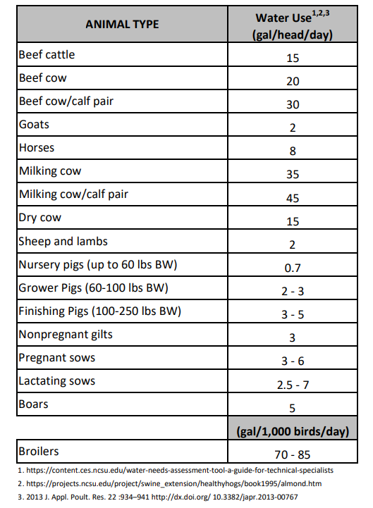
Recommended Guidelines for Minimum Water Storage Capacity |  | Water Needs for Animal Type
Municipal or Community Water System | 1 to 2 days
Privately Owned Well | 3 to 5 days
Solar Powered Well | 3 to 7 days
Spring or Stream | 7 to 10 days

